Explanation
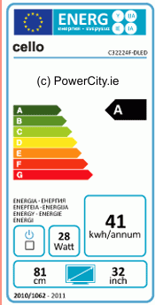
Label 1 manadory since 2011
Label 2 manadory in 2014
Procedure:
Either notify the shop management in advance of your planned visit, as part of your remedy action process, or notify the retailer when you enter the store. Have a copy of the European Commission letter with you to help verify who you are and the authority you are acting on.
1.: Choosing 20 Shops to visit.
Definition:
- supermarket = stores selling no premium products and "discount "products like (Aldi, Kenny, Lidl, Plus, Troifoirien, Tesco, Sainsburys, Intermarche, Kaufland)
- department store = stores with premium products like (John Lewis, Debenhams, Marks and Spencer, House of Fraser, KaDeWe, Kaufhof...)
- electronic specialist = sole trader shops / independent electrical retailers and small chains specialized on consumer electronics and white goods
- electronic superstore = large electronic retailers mostly found on retail parks (MediaMarkt, Sarturn,Currys, fnac, Darty)
Shop selection:
- special focus is set on small shops or shops with less products (electronic specialist / supermarket / department store) (at least ≥12 shops should be visited)
- If a selected shop contains only a few different television models (≤ 6), it shall be documented as following and an additional shop shall be visited in order to
cover a larger total number of products.
- At least 2 of the following shop type shall be included: electronic superstore
- If a store has ceased trading since the first round of inspections, and you therefore cannot inspect it, replace it with another store from the same classification (e.g. electronic specialist) in order to satisfy the requirement to test 20 stores and maintain the mix of store classifications.
Inspect 20 shops
2.: Counting all televisions displayed in the shop.
In focus of the survey are
- All televisions displayed (operating or not) outside of the box to be presented for customers (e.g. mounted on walls),
- All televisions presented inside the box to be sold, e.g. in shelves (indicated by price labeling belonging to the corresponding box).
NOT in focus of the survey are
- All televisions inside a box being placed anywhere in the shop only for storage purposes (e.g. boxed devices being displayed wall mounted and operating
elsewhere in the shop).
3.: TELEVISIONS DISPLAYED OUT OF THE BOX shall be documented as following:
3.a: Counting all televisions which are correctly labelled. (you can also refer to the annex V of the EU REGULATION No 1062/2010)
Correctly labelled means:
- The label shall be clearly visible on the front of the television,
- The label shall be at least 60 mm wide and 120 mm high (it is not feasible and necessary to measure every label, the size can be estimated!),
- The label shall be in colour,
- The label shall be easy to allocate to the corresponding device.
3.b: Counting and evaluation of all televisions which are not correctly labeled.
The following categories are given in the template and shall be counted seperately:
- Missing: no label was found
- Format: labels not fit in colour, size or format which is required from the regulation (e.g black and white, incomplete or damaged label with missing information),
- Not visible: label was found, but it was not clearly visble in the shop (e.g. hidden by other labels / price tag or not placed at the front of the TV),
- Apply: label does not relate to the TV or model (e.g. only one label is placed between 2 different devices, label was used from a different device, Hard on/off-switch is not easy visible)
4.: TELEVISIONS PRESENTED INSIDE A BOX TO BE SOLD shall be documented as following:
The section refers to typical scenarios in electronic superstores, were very often a lot of boxed TVs with one unboxed TV on the top of the boxes can be find.
1. Scenario: In case there is are a large number of boxed TVs, with one model un-boxed and fully labelled, all related boxed TVs (same model / model nr.) shall be documented as correctly labeled. Because as long as one TV model (unboxed) is labelled, the rest (boxed) TVs don’t need to be. But you must count the number of compliant boxed models and record this in the spreadsheet (see column M on the "shop reporting" tab).
2. Scenario: In case the unboxed TV is price marked – but without the Energy Label, it shall be referenced as non-conformity (category: Missing) Because if it is at the point of sale – as indicated by being separately priced – then it should be labelled. The number of non-conformities would be dependent on how many TVs were priced, but not labelled. Separately priced TVs usually refers to different TV types/models.
3. Scenario only boxed TVs without any separate unboxed TV, the priced TVs should be checked. If the label is printed on the box all boxed TVs have to be placed, that the label is easy readable to be referenced as conformity. And you must count the number of compliant boxed models and record this in the spreadsheet (see column M on the "shop reporting" tab)
4.a: Counting all televisions correctly labeled as explained under 3.a.
4.b: Counting and evaluation of all televisions which are not correctly labeled as explained under 3.b. and the listed scenarios above. These devices shall be counted all together. Additional data have to be collected as listed in the excel sheet "Non-compl TVs".
Note:
- The label specified in EC 1062/2010 as label 1 which is mandatory from 2011 or one of the later labels as shown to the right have to applied!
- In 2014 label 1 should be in use anymore. If label 1 is used in 2014 it shoul be evaluated as non-compliance, in the category "Format". - The chosen shops, dates of access and selected devices etc. shall be documented in the first Excel-spreadsheet "Shop Reporting".
- Non-compliant TVs shall be documented in Excel-spreadsheet "Non-compl TVs"
- Pictures shall be taken from all non-compliant TVs. They shall be numbered and listed in the corresponding column of the excel spreadsheet "None Compl TVs".
- Hard on/off switch: If the TV has no easy visible hard switch, there should be no icon on the label.
In case the label has a switch icon ticked, but the TV doesn’t have one, then that is a non-compliance. Such cases have to be well documented with a picture.
In case the label has a switch icon without a tick it has to be refered as a non-compliance since the label cannot be graphically modified. (see figure below)
UNIT AND MODEL COUNTING:
NON-COMPLIANT TVs- Record the number of non-compliant units present for each model in the 'non-compl TVs' tab. The spreadsheet will automatically calculate the number of models this is derived from.
COMPLIANT TVs - On the 'shop reporting unit' tab, record compliant TVs at the unit level in the appropriate column. On the 'shop reporting (model)' tab, record this at the model level.
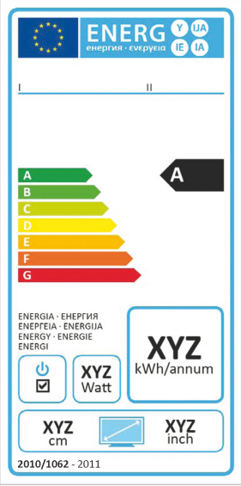
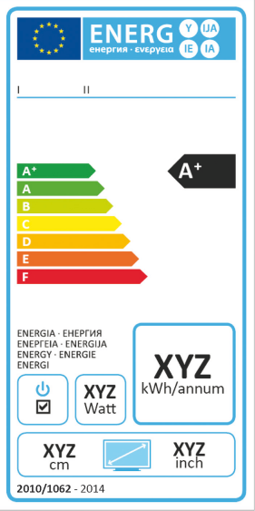

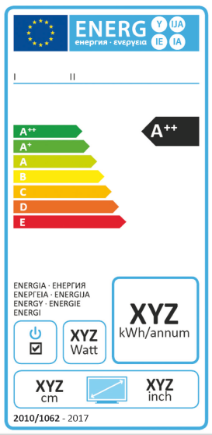
Label 3 manadory in 2017
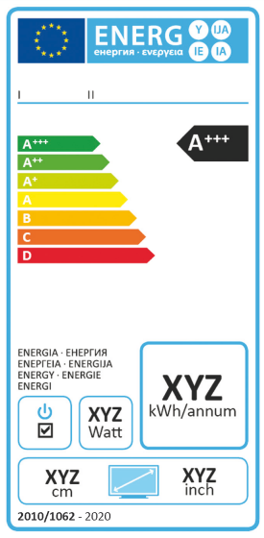
Label 4 manadory in 2020

